Sheet1
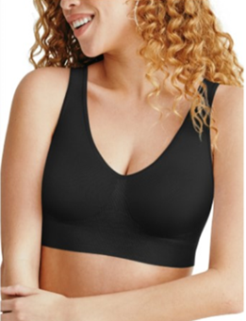

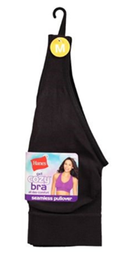

STYLE # | DESCRIPTION | BRAND | COLOR | CS/PK | M | L | XL | 2X | TTL UNITS | PRICE
MHG19F | SEAMSLESS SOFTCUP BRA | HANES | WHITE |  | 11135 | 11092 | 11019 | 7002 | 40,248 | $3.85
 | RED LABEL |  | BLACK |  | 11656 | 15016 | 10739 | 19874 | 57,285 | $3.85
 | J HOOK
 |  |  |  |  | 22791 | 26108 | 21758 | 26876 | 97,533

